Feuil1
 | Total | 37
 | Terminer | 0 | 0%
NAME | IMAGE | Qte par machine |  | Qte Machine | TODO | DOING | DONE
SCROLL_wheel | 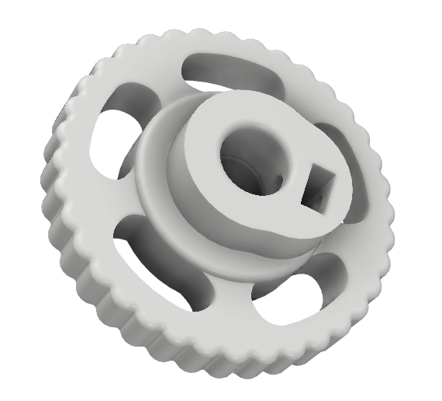 | 2 |  | 1 | 2 |  | 0
KP08_support | 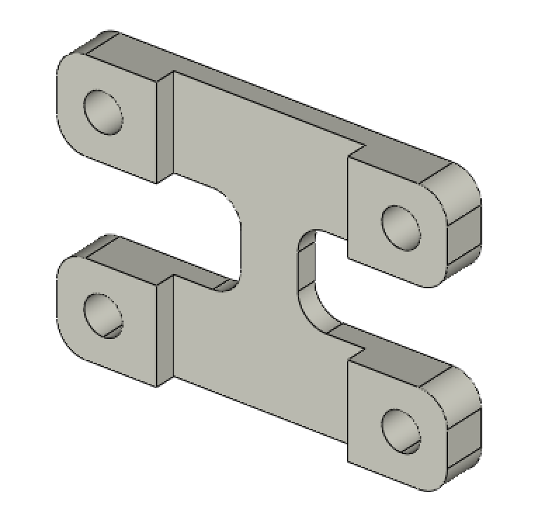 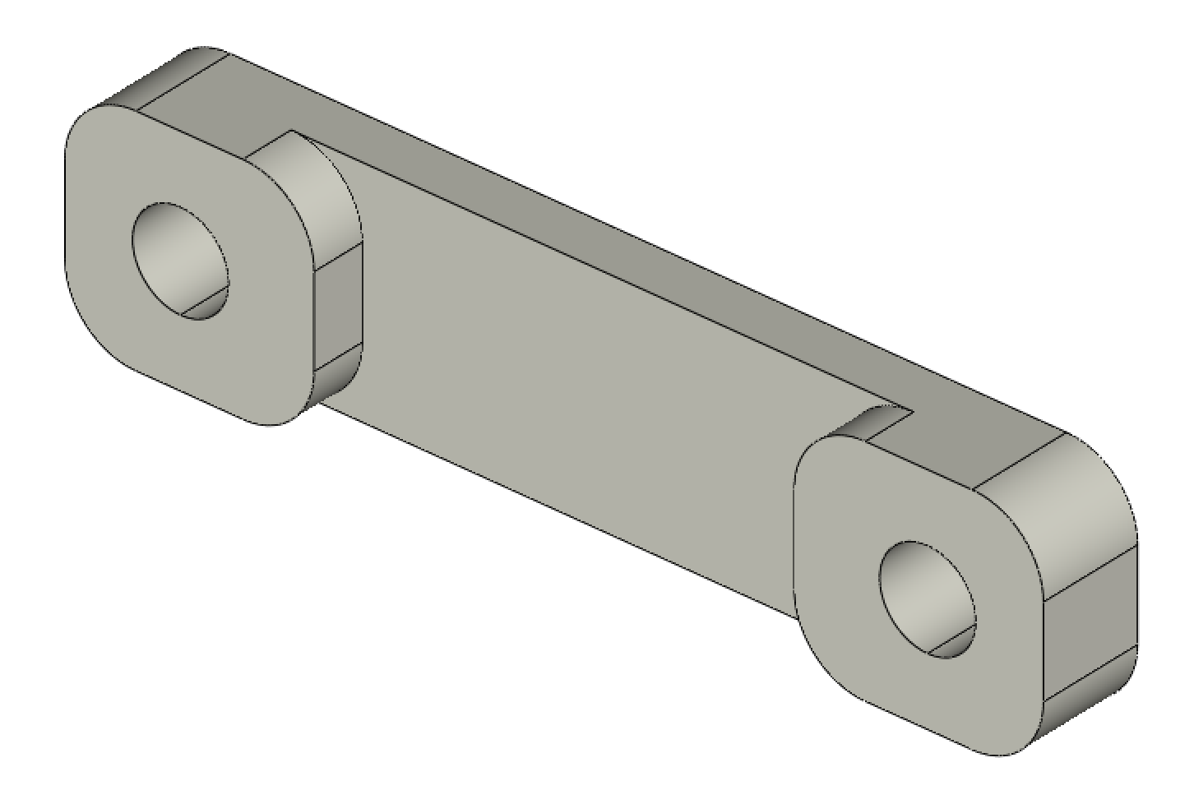 | 2 |  | 1 | 2
YMOTOR_support_220 | 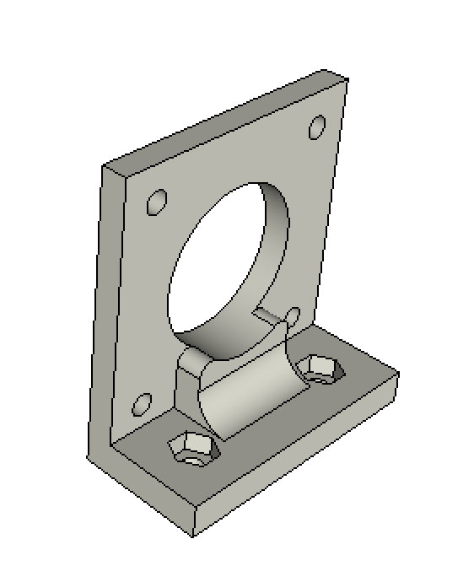 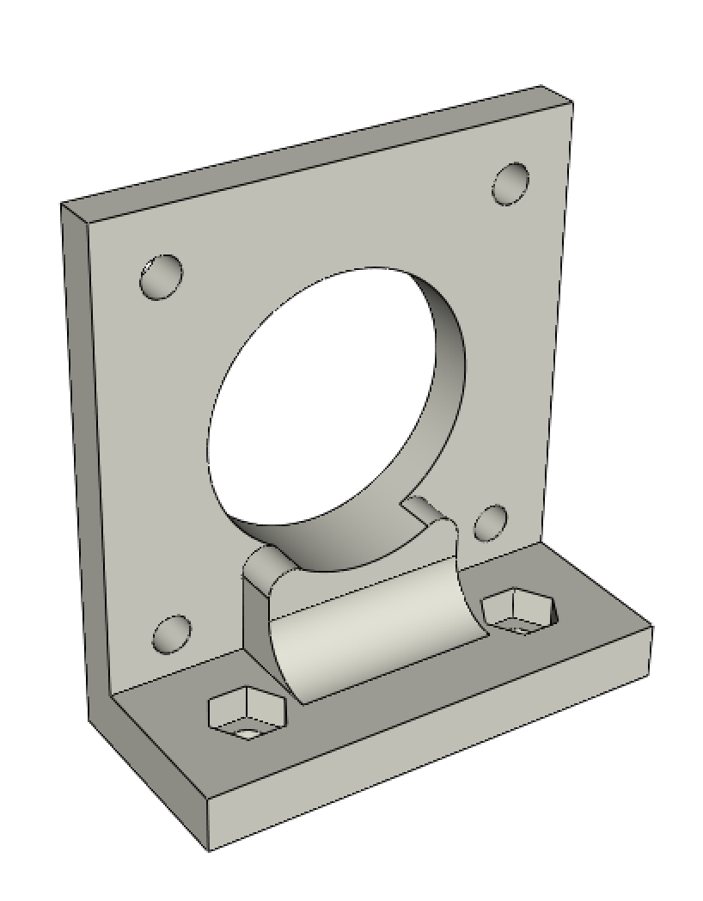 | 0 | for 220mm GT2 timing belt | 1 | 0
YMOTOR_support_200 |  | 1 | for 200mm GT2 timing belt | 1 | 1
XMOTOR_support | 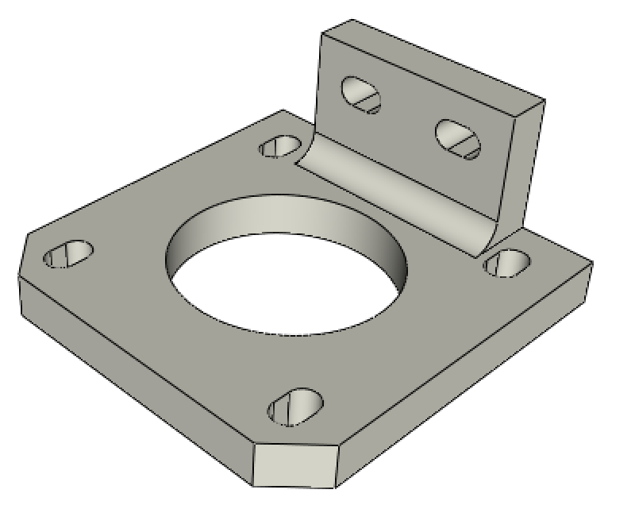 | 1 |  | 1 | 1
ROLL_joint | 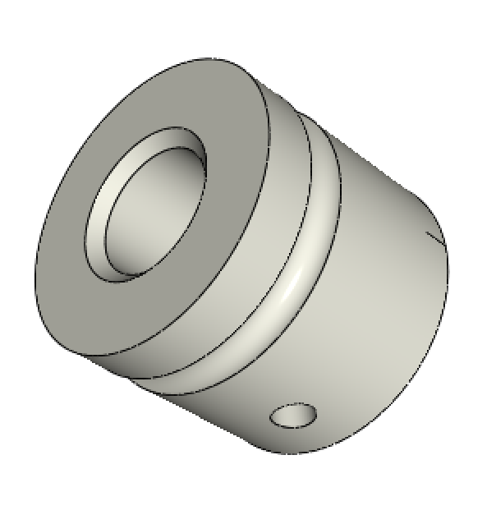 | 3 |  | 1 | 3
BOTTOM_trolley | 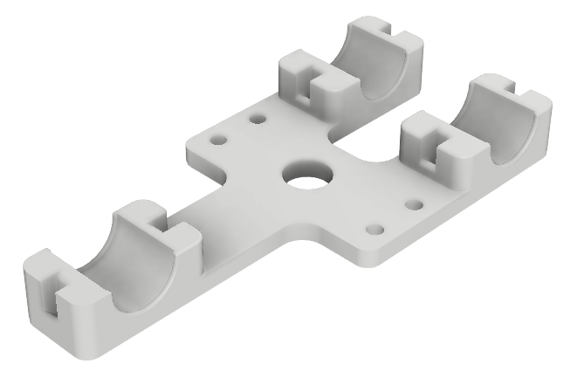 | 1 |  | 1 | 1 | 0
ELECTRO_MAGNET_housing | 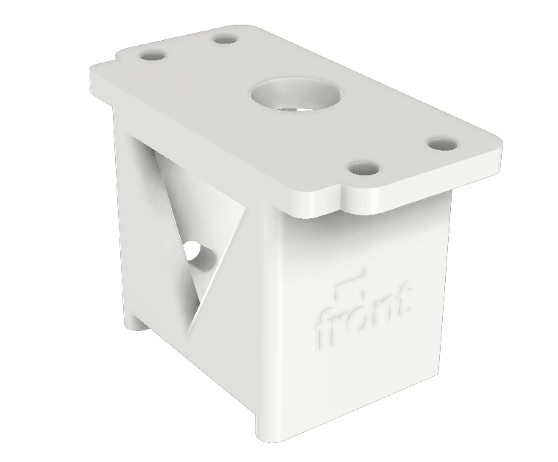 | 1 |  | 1 | 1
ELECTRO_MAGNET_guide | 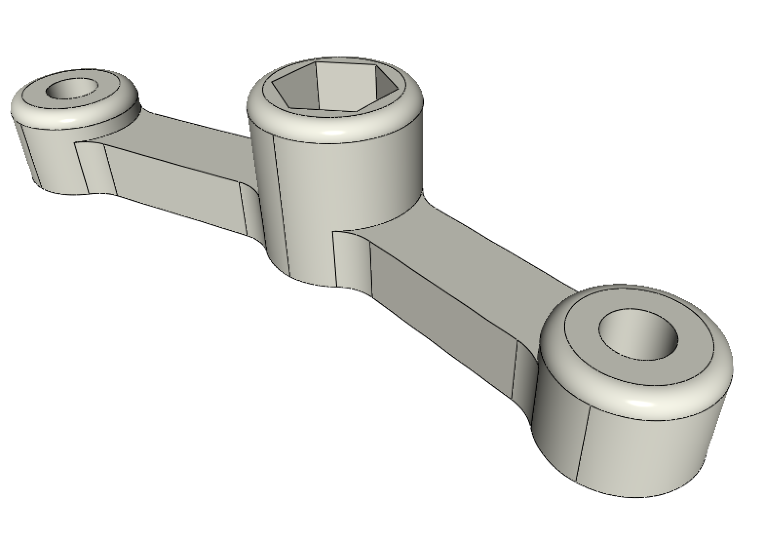 | 1 |  | 1 | 1
TOP_trolley | 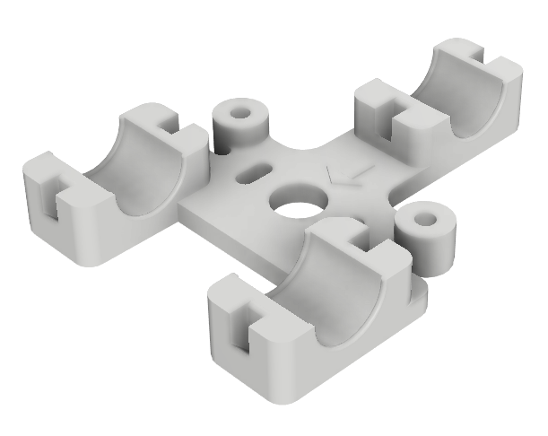 | 1 |  | 1 | 1
FEMALE_shape | 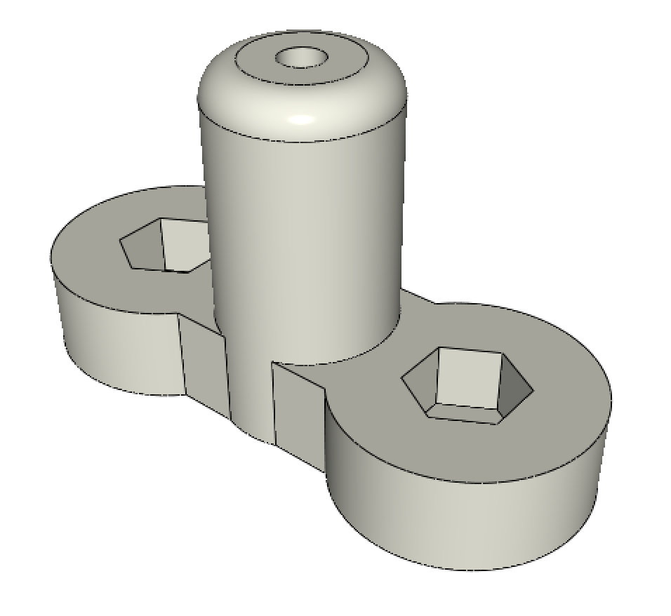 | 1 |  | 1 | 1
TOP_AXIS_left | 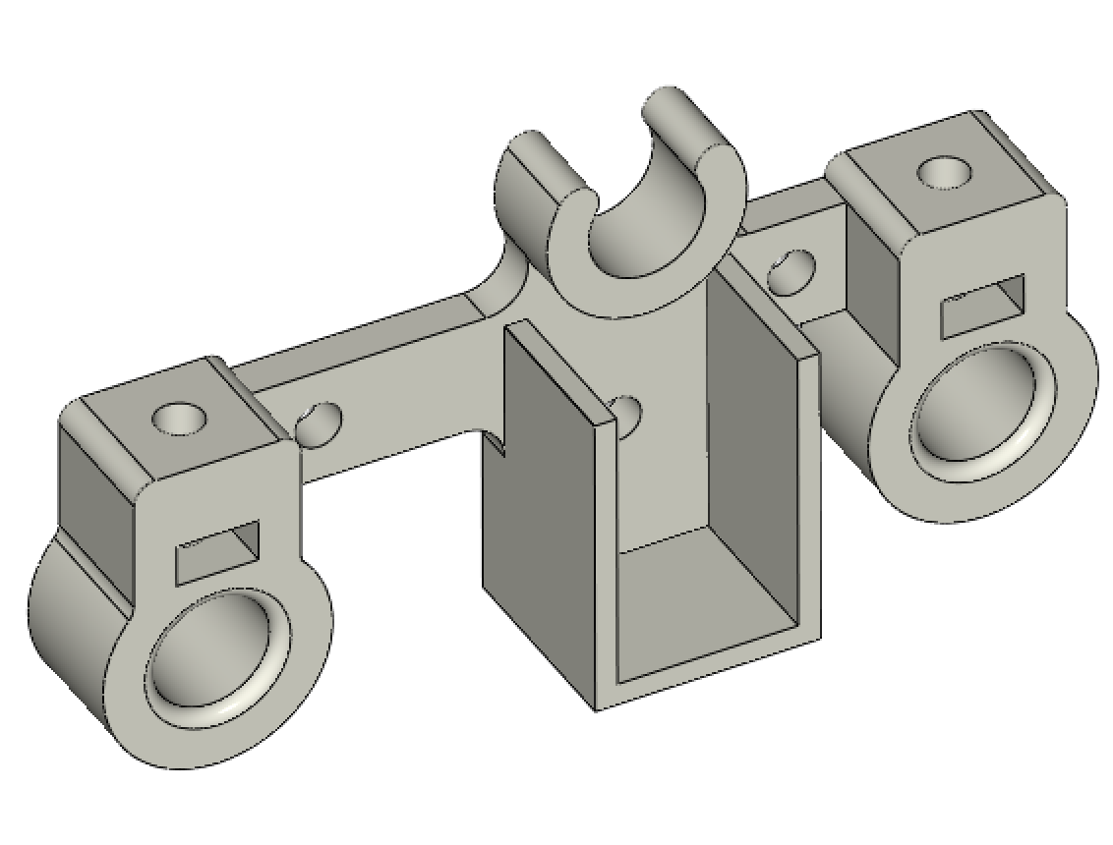 | 1 |  | 1 | 1
TOP_AXIS_right | 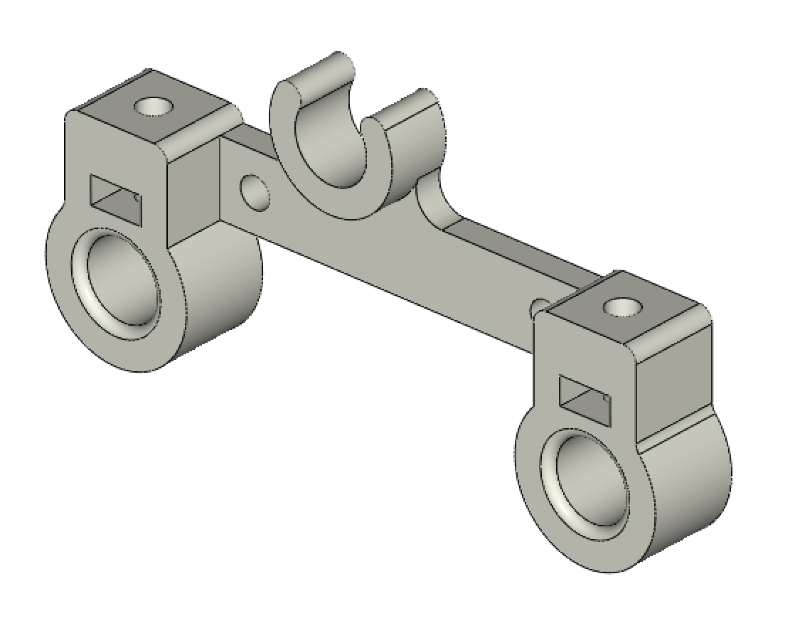 | 1 |  | 1 | 1
LID_LOCK | 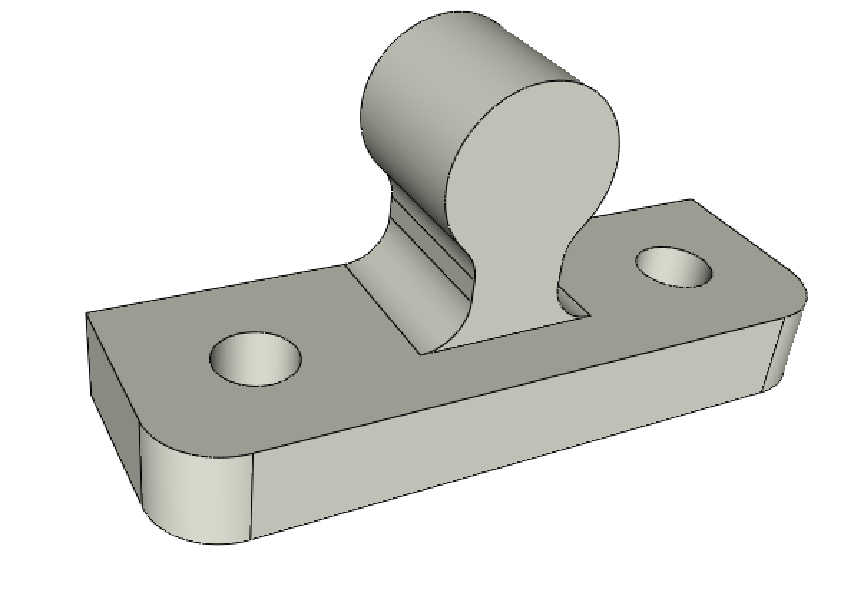 | 2 |  | 1 | 2
BOTTOM_AXIS_left | 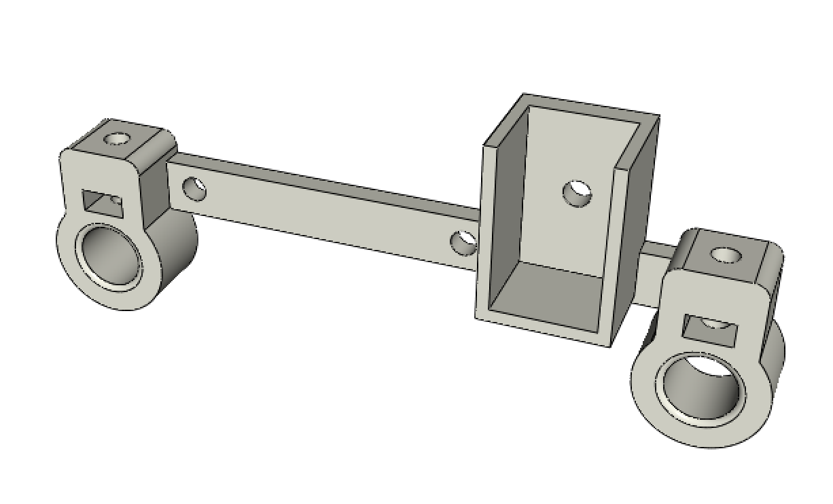 | 1 |  | 1 | 1
BOTTOM_AXIS_right | 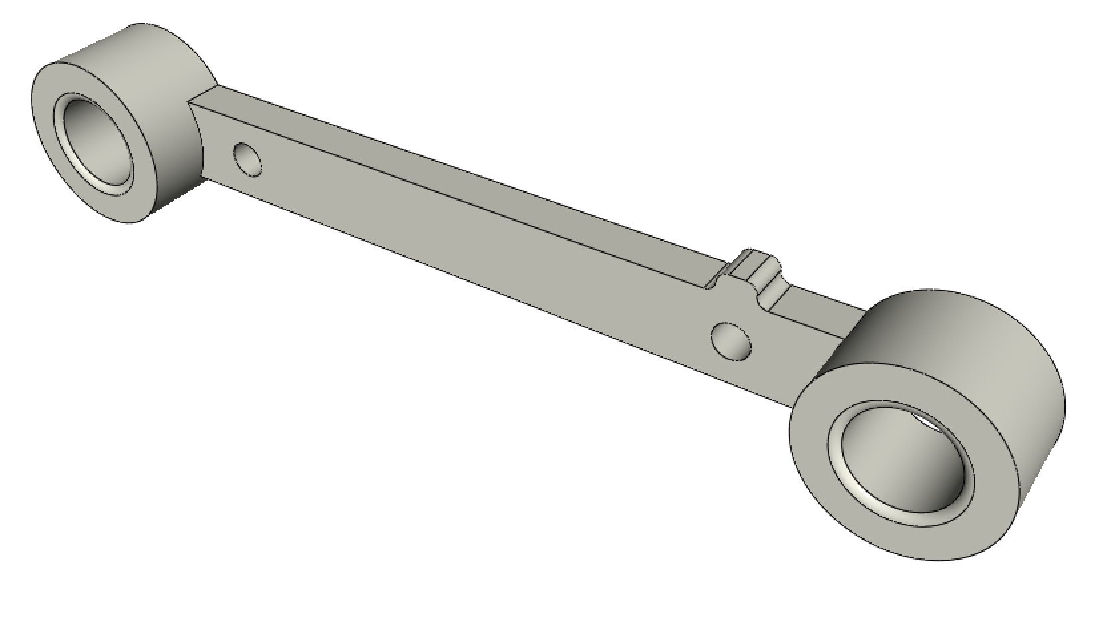 | 1 |  | 1 | 1
DRIVEN_PULLEY_housing | 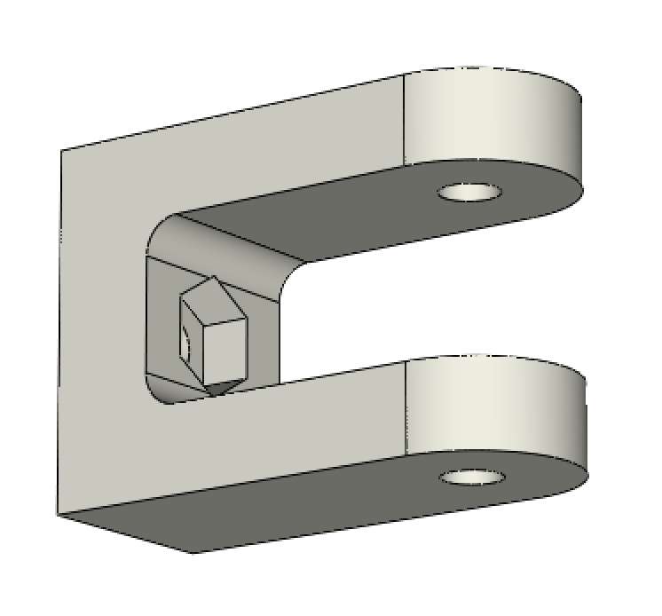 | 2 |  | 1 | 2
PAPER_GUIDE_left | 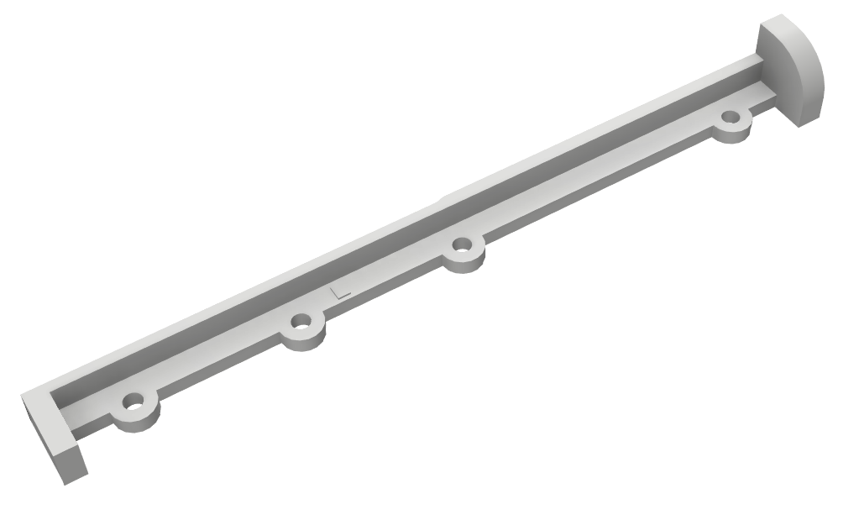 | 1 |  | 1 | 1
PAPER_GUIDE_right | 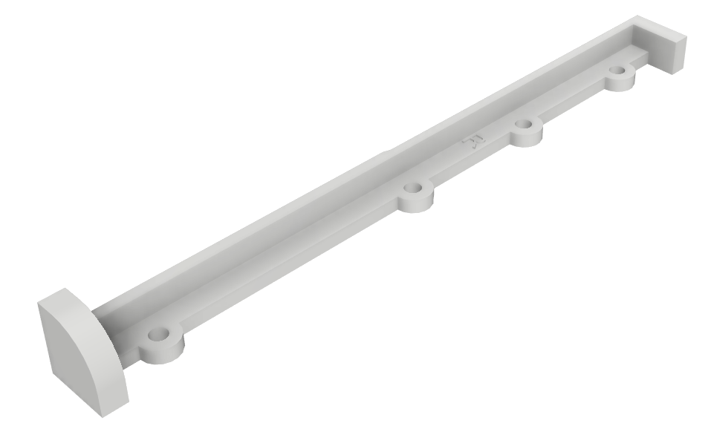 | 1 |  | 1 | 1
ENDSTOP_Y_support | 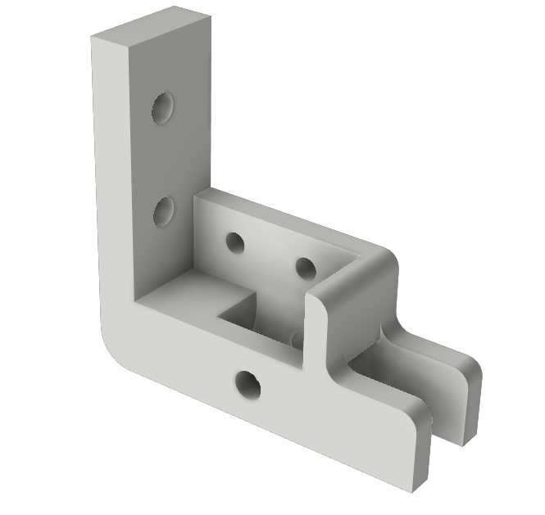 | 1 |  | 1 | 1
ENDSTOP_Y_lever | 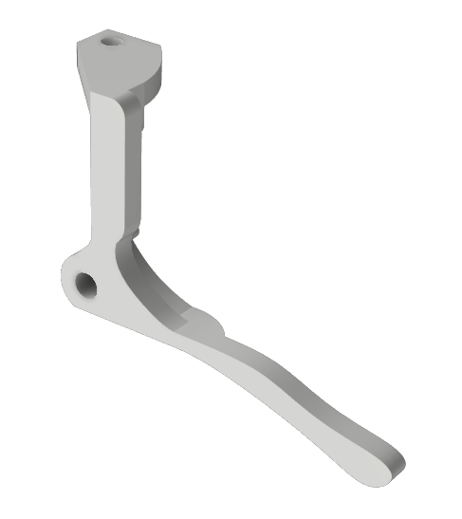 | 1 |  | 1 | 1
ENDSTOP_X_support | 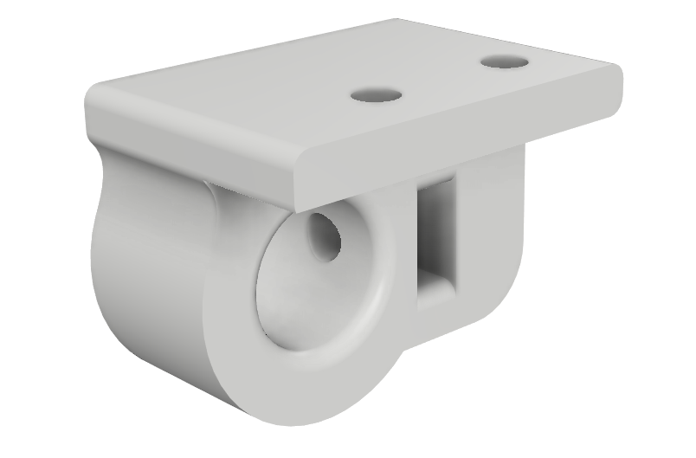 | 1 |  | 1 | 1
CLIPBOARD_2 | 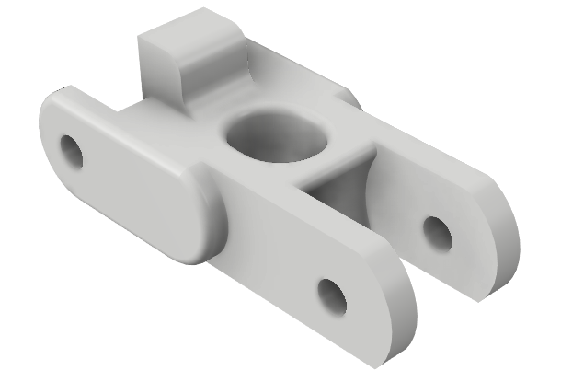 | 3 |  | 1 | 3
CLIPBOARD_2_SUPPORT | 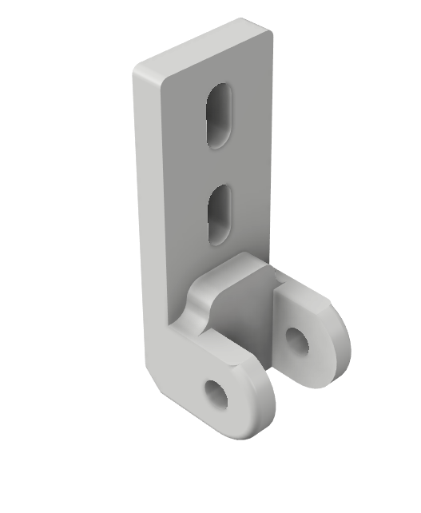 | 3 |  | 1 | 3
CLIPBOARD_2_WHEEL |  | 3 |  | 1 | 3
CLIPBOARD | 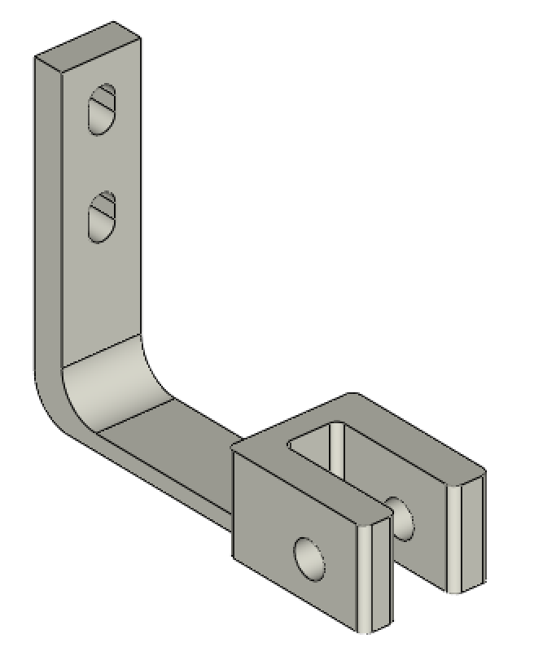 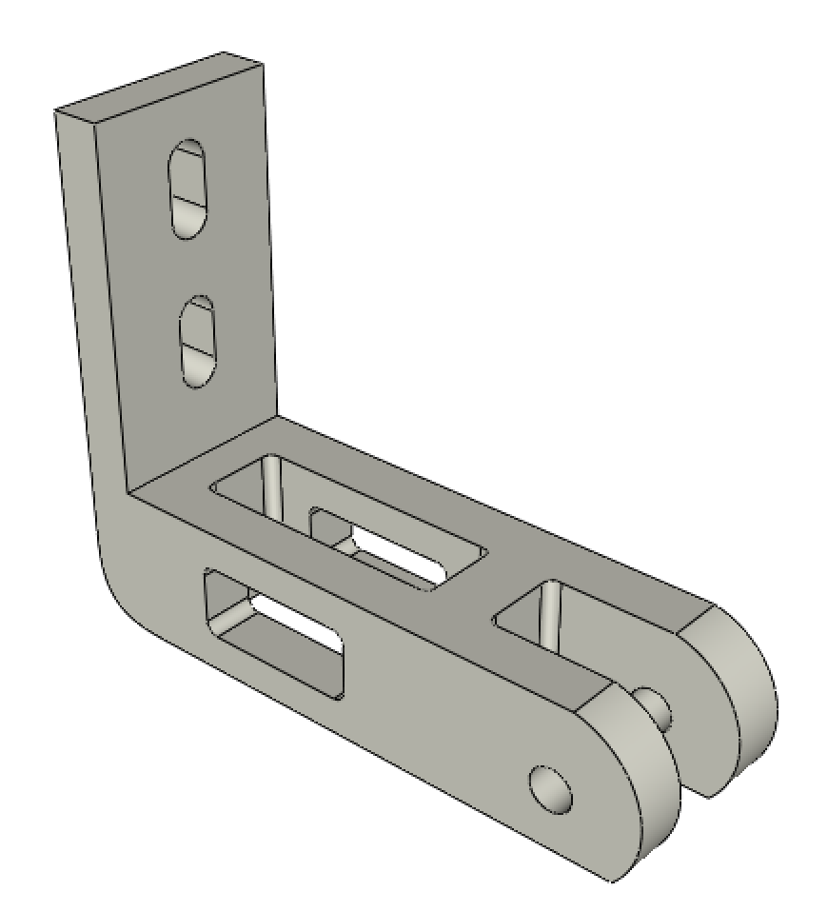 | 2 | obsolete | 0 | 0
CLIPBOARD_WHEEL | 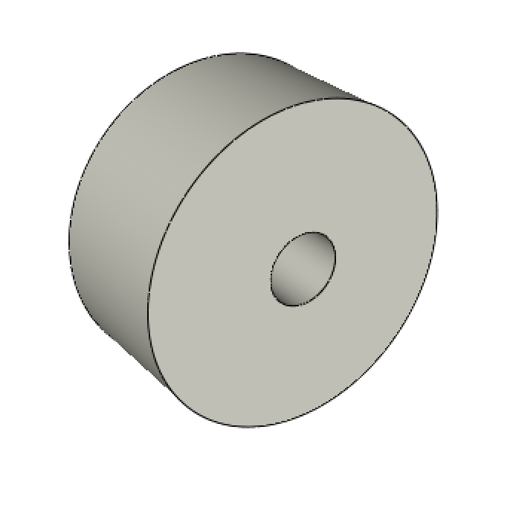 | 2 | obsolete | 0 | 0 |  | 0
POWER_plate | 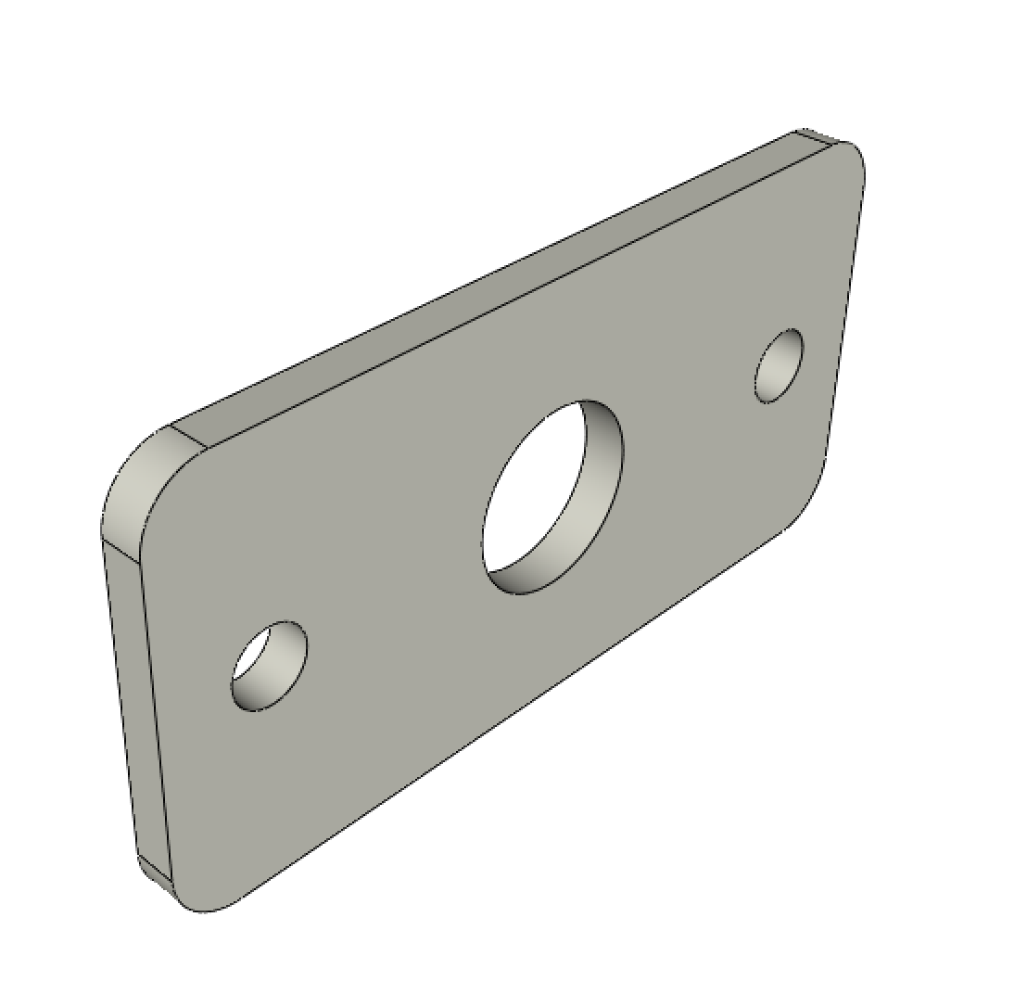 | 1 |  | 1 | 1 |  | 0

